Search Tool Instructions
The Search Tool is used to facilitate viewing all data elements associated with one or more capabilities.
A. On the Search Tool tab within the GRM FIBF Standard Data Elements spreadsheet, enter Capability ID(s) for review in column A. (Capability IDs are listed in the GRM Business Capability List tab.)
B. Once all desired capabilities are listed, click the Run button.
C. The Business Capability Definition will populate in Row 1 , above each capability number. The Business Capability ID populates in Row 2 and all Data Elements associated with the listed Business Capability ID populate below the ID.
D. Multiple IDs can be entered; one per row. Each ID will populate in a separate column, beginning with column C.
C
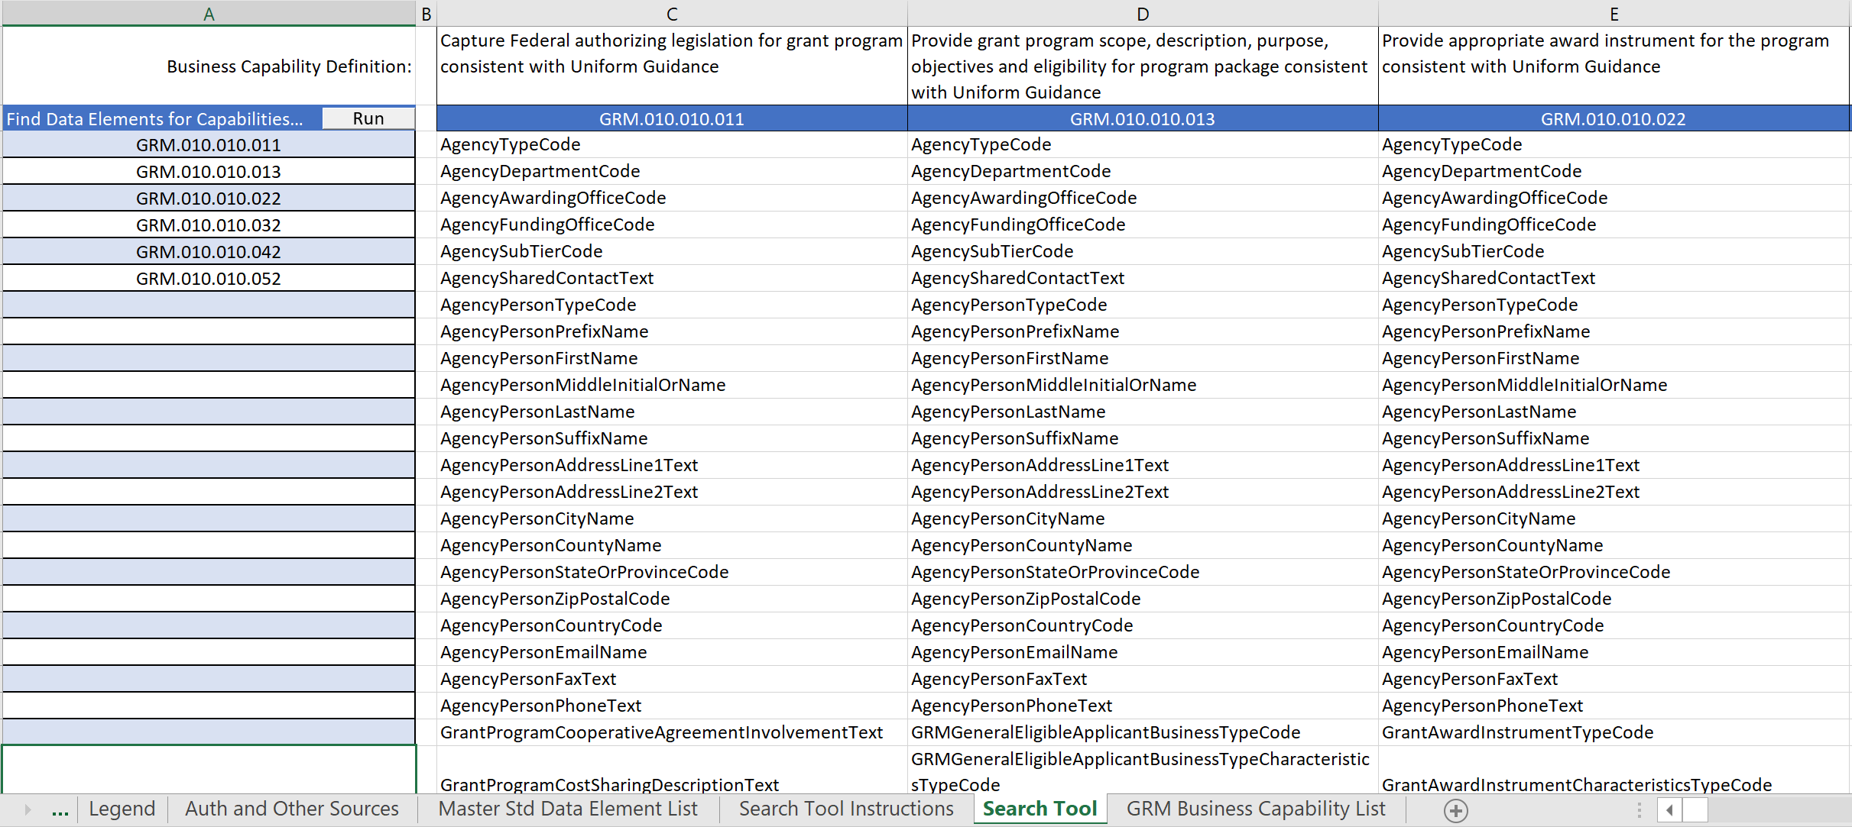

A
B

D

